Table 1

Selected Acquisition Report (SAR)
RCS: DD-A&T(Q&A)823-503
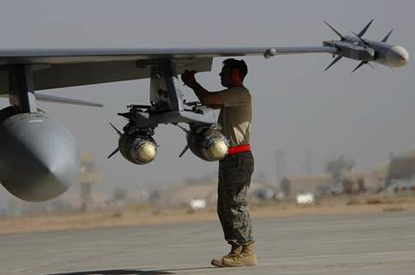
Joint Direct Attack Munition (JDAM)
As of FY 2017 President's Budget
Defense Acquisition Management Information Retrieval
(DAMIR)

Table 31
Unit Cost History
Item |  |  |  |  |  |  |  | Date |  |  |  | BY 1995 $M |  |  |  |  |  |  |  | TY $M
 |  |  |  |  |  |  |  |  |  |  |  | PAUC |  |  | APUC |  |  |  |  | PAUC |  |  |  | APUC

Original APB |  |  |  |  | Sep 1995 |  |  |  |  |  |  | 0.031 |  |  |  |  | 0.024 |  |  |  | 0.038 |  |  |  | 0.033
APB as of January 2006 |  |  |  |  | Oct 2002 |  |  |  |  |  |  | 0.022 |  |  |  |  | 0.019 |  |  |  | 0.025 |  |  |  | 0.023
Revised Original APB |  |  |  |  | N/A |  |  |  |  |  |  | N/A |  |  |  |  | N/A |  |  |  | N/A |  |  |  | N/A
Prior APB |  |  |  |  | Oct 2002 |  |  |  |  |  |  | 0.022 |  |  |  |  | 0.019 |  |  |  | 0.025 |  |  |  | 0.023
Current APB |  |  |  |  | Jun 2015 |  |  |  |  |  |  | 0.021 |  |  |  |  | 0.019 |  |  |  | 0.026 |  |  |  | 0.024
Prior Annual SAR |  |  |  |  | Dec 2014 |  |  |  |  |  |  | 0.021 |  |  |  |  | 0.019 |  |  |  | 0.027 |  |  |  | 0.025
Current Estimate |  |  |  |  | Dec 2015 |  |  |  |  |  |  | 0.020 |  |  |  |  | 0.018 |  |  |  | 0.026 |  |  |  | 0.024
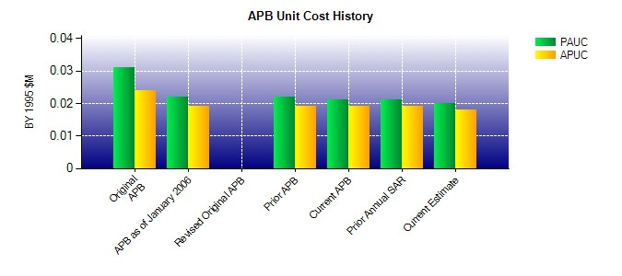
SAR Unit Cost History
Initial SAR Baseline to Current SAR Baseline (TY $M)
Initial PAUC Development Estimate | Changes |  |  |  |  |  |  |  |  |  |  |  |  |  |  |  |  |  |  |  |  |  | PAUC Production Estimate
 | Econ |  | Qty |  |  | Sch |  |  | Eng |  | Est |  |  | Oth |  | Spt |  |  | Total
0.038 -0.002 -0.005 0.002 0.001 -0.005 0.000 0.000 -0.009 0.029
Current SAR Baseline to Current Estimate (TY $M)
PAUC Production Estimate |  | Changes |  |  |  |  |  |  |  |  |  |  |  |  |  |  |  |  |  |  |  | PAUC Current Estimate
 |  | Econ |  | Qty |  |  | Sch |  |  | Eng | Est |  | Oth |  | Spt |  |  | Total
0.029 0.001 -0.006 0.000 0.000 0.001 0.000 0.001 -0.003 0.026

